09-01 R2
CHECKER STOCK REPORT
DATE ___________09/01/2025___________
ROUTE 2 | CB | CIB | CC | CIC | C10C | HTA | PAMB | PAMC | KRB | KRC | CBC | CBB | SDB | SDC | CNB | CLC | SMZB | SMLB | SMLC | FBA
 | 12B | 4 |  |  |  | 18/16B |  |  |  |  |  |  |  |  |  | 1 |  | 1/12B |  | 5
1ST LOAD
2ND LOAD

FGS RETURNED | 12B | 4 |  |  |  | 13/9B |  |  |  |  |  |  |  |  |  | 1 |  | 1/12B |  | 5
TOTAL SALES | 0 | 0 |  |  |  | 5/7B |  |  |  |  |  |  |  |  |  | 0 |  | 0 |  | 0

 | FBL | FBLY | FBAC | FBLC | FBLYC | PP | PPG | PL | PPC | RHS | RHP | RHL | RHC | RH500C | RHSL | SMFB | SMFC | GE320 | GEK | HSC
1ST LOAD |  |  |  |  |  | 3 |  | 49 |  | 2 | 16 | 296 | 1 |  | 10 |  |  |  | 2
2ND LOAD

FGS RETURNED |  |  |  |  |  | 3 |  | 36 |  | 2 | 12 | 115 | 1 |  | 5 |  |  |  | 2
TOTAL SALES |  |  |  |  |  | 0 |  | 13 |  | 0 | 4 | 181 | 0 |  | 5 |  |  |  | 0

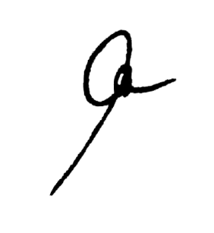
EMPTIES | PP |  |  | RHL/PL |  |  | RH5 |  |  | FBA/SML/RHS |  |  | MHT |  |  | REMARKS
 | COMPLETE | SHELL | BOTTLE | COMPLETE | SHELL | BOTTLE | COMPLETE | SHELL | BOTTLE | COMPLETE | SHELL | BOTTLE | COMPLETE | SHELL | BOTTLE
RETURNED |  |  |  | 196 | 3 | 3 | 3 | 1 | 10 |  |  |  | 1 | 2 | 9

TOTAL |  |  |  | 196 | 3 | 3 | 3 | 1 | 10 |  |  |  | 1 | 2 | 9 | SIGNATURE

09-02 R1
CHECKER STOCK REPORT
DATE ___________09/02/2025___________
ROUTE 1 | CB | CIB | CC | CIC | C10C | HTA | PAMB | PAMC | KRB | KRC | CBC | CBB | SDB | SDC | CNB | CLC | SMZB | SMLB | SMLC | FBA
 | 1 | 2 | 1 | 1 | 1 | 21/18B |  |  |  |  |  |  |  |  |  | 1 |  | 2/12B |  | 3
1ST LOAD
2ND LOAD

FGS RETURNED | 0 | 2 | 0 | 0 | 0 | 15/7B |  |  |  |  |  |  |  |  |  | 1 |  | 1/12B |  | 0
TOTAL SALES | 1 | 0 | 1 | 1 | 1 | 6/11B |  |  |  |  |  |  |  |  |  | 0 |  | 1 |  | 3

 | FBL | FBLY | FBAC | FBLC | FBLYC | PP | PPG | PL | PPC | RHS | RHP | RHL | RHC | RH500C | RHSL | SMFB | SMFC | GE320 | GEK | HSC
1ST LOAD |  |  |  | 1 |  | 3 |  | 54 |  | 2 | 15 | 270 |  |  | 15
2ND LOAD

FGS RETURNED |  |  |  | 1 |  | 3 |  | 25 |  | 1 | 6 | 121 |  |  | 13
TOTAL SALES |  |  |  | 0 |  | 0 |  | 29 |  | 1 | 9 | 149 |  |  | 2

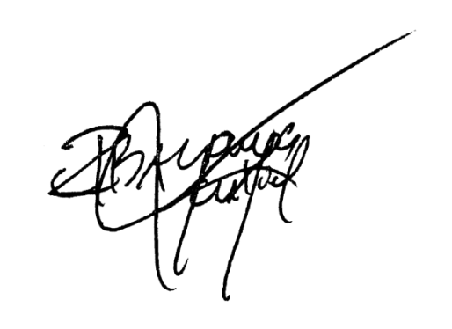
EMPTIES | PP |  |  | RHL/PL |  |  | RH5 |  |  | FBA/SML/RHS |  |  | MHT |  |  | REMARKS
 | COMPLETE | SHELL | BOTTLE | COMPLETE | SHELL | BOTTLE | COMPLETE | SHELL | BOTTLE | COMPLETE | SHELL | BOTTLE | COMPLETE | SHELL | BOTTLE
RETURNED |  |  | 4 | 170 | 8 | 5 | 8 | 2 | 12 |  | 2 | 14 | 6 |  | 12

TOTAL |  |  | 4 | 170 | 8 | 5 | 8 | 2 | 12 |  | 2 | 14 | 6 |  | 12 | SIGNATURE

